文檔需求
Requirements for cross-border document translation tools
form | Format | translation needs | Translation needs & original intention | Summarize
documents, pictures | word、pdf、txt、excel、png、ppt | Text, pictures, tables, PPT | Original intention: Reduce the actions of copying → translating → pasting text documents one by one, and realize the conversion of document to document translation in batches need: 1. Batch translate the text of the document and export it to the original format/editable format (convenient for later proofreading) 2. Higher accuracy of Chinese/traditional Chinese to English expression, so that the translation is accurate, no translation is added or missed, and manual proofreading is reduced 3. Preservation of font & fill & color 4. Table translation does not accumulate or omit 5. Support the retention of pictures in the document (there will be pictures that need to be replaced in the future) 6. Support the application and import of term base | Complete the translation without changing the original format of the document (fonts, colors, pictures, special symbols)
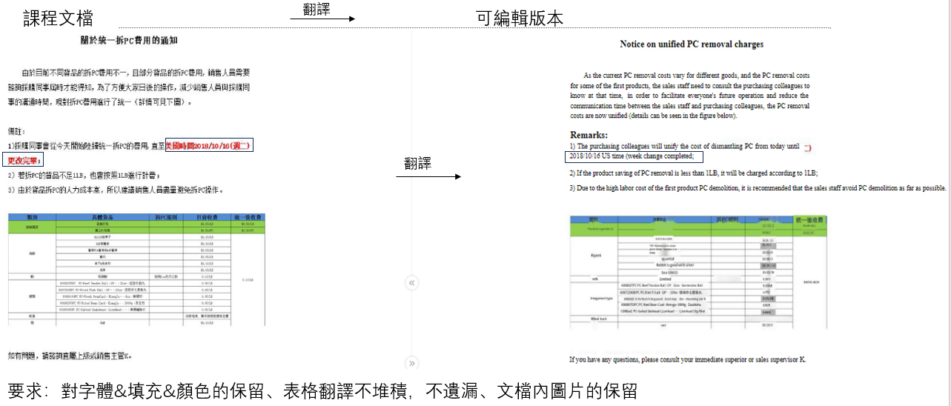
 |  |  |  |  | The step-by-step tutorial of the system (such as SJFOOD) needs to be retained and replaced later
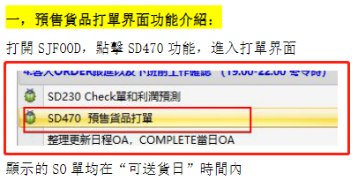

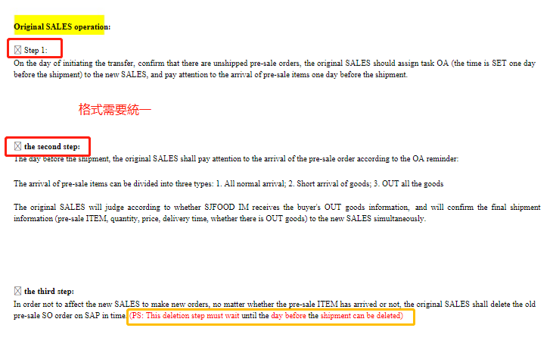

Situations/requirements to avoid in translation |  |  | It is best to keep the position (alignment), color and not blurring of the original text

The content in the pdf is ppt
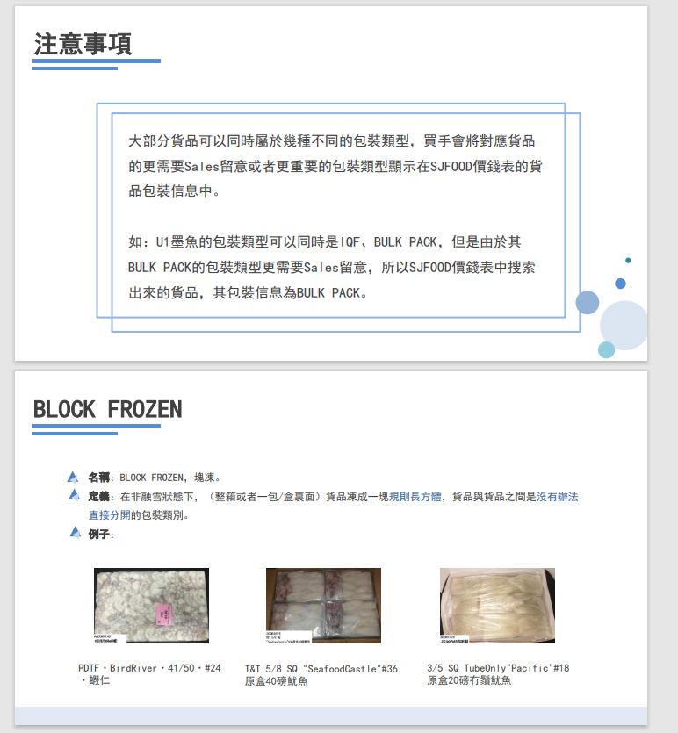

\\sj-share.sjfood.us\sales-department\new employee training\training PPT\packaging training

About termbases | What is the import method? Train or import?
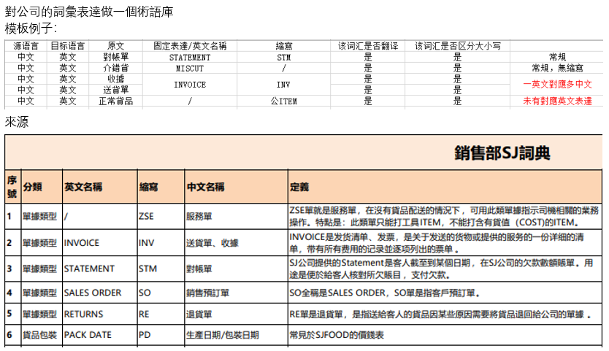

 |  |  | Note: There may be two expressions in Chinese. For example, INVOICE has two expressions in Chinese. When updating the term base, you need to pay attention to how many expressions there are in Chinese and English.

\\sj-share.sjfood.us\sales-department\newcomer training\training PPT\homework training course\8.SD-ARO. About the new product process that has not been taken before customer consultation.pdf

流程圖需求
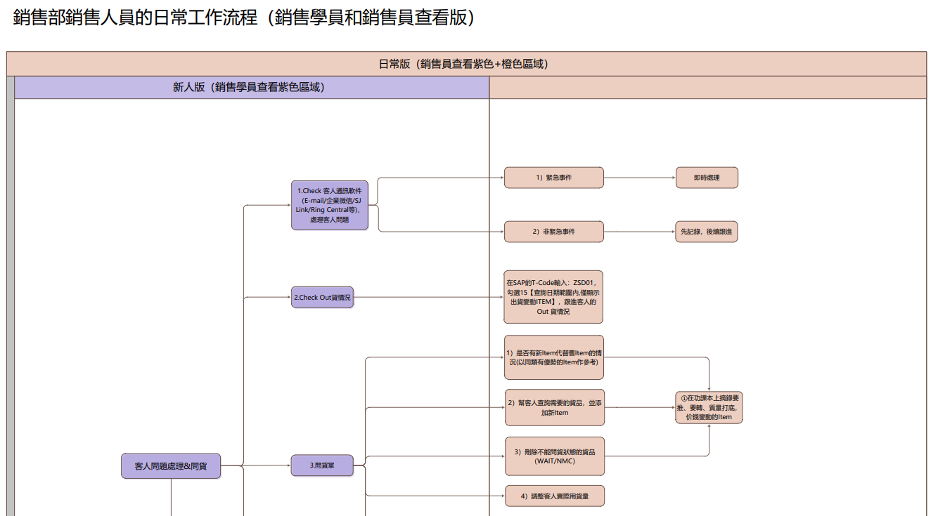
跨境流程圖翻譯工具需求
形式 | 格式 | 翻譯需求&初衷 | 總結
流程圖 | vsd/pdf | 初衷： 直接翻譯會受格子的限制，避免流程圖造成溢格/堆積的情況 需求： 1.將vsd/pdf格式的流程圖文字提取，將流程圖重新製作並翻譯成英語。 2.有較高中文/繁體轉英文表達的準確度，做到翻譯準確，不増譯漏譯，減少人工校對環節 3. 保留框架、顏色與線條 4. 支持術語庫的應用與導入 | pdf/vsd格式再製作，使其翻譯不受格子限制

避免情況
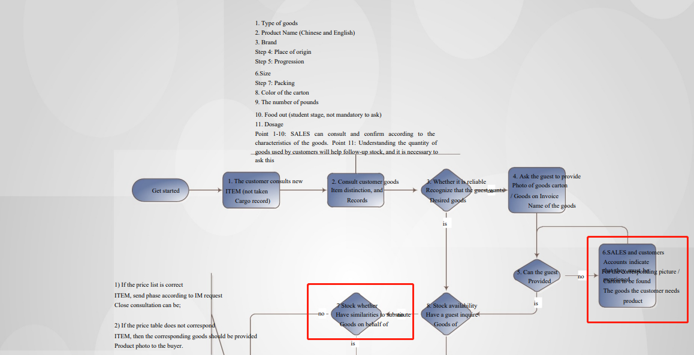

效果（vsd/pdf）
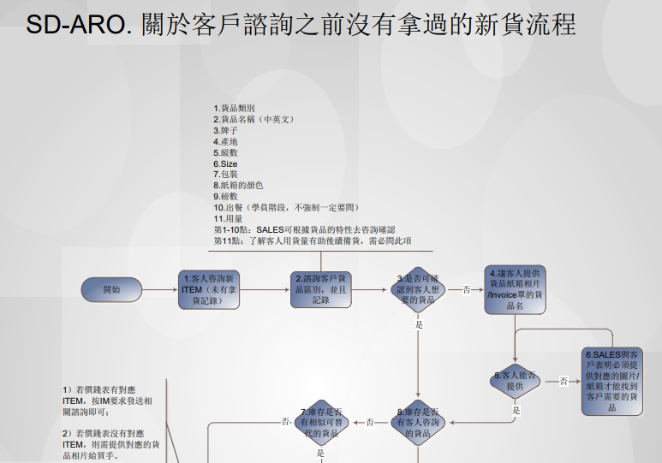
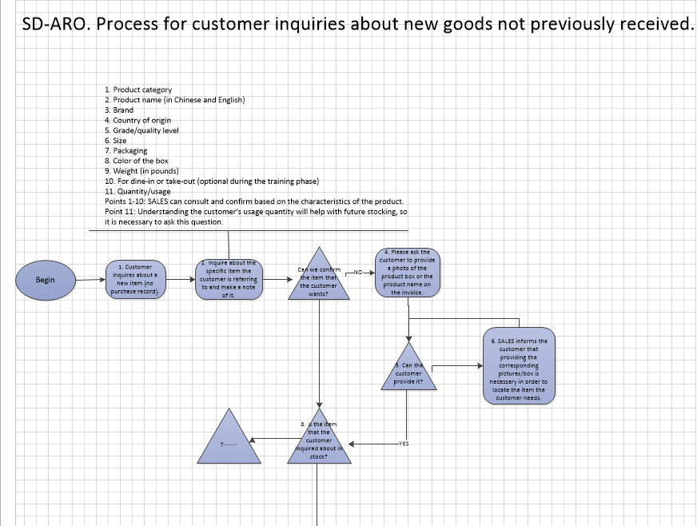

 |  |  |  | 翻譯

3. 保留框架、顏色與線條

